Hiearchy View
CLASS: PROCESSOR
an electrical component that performs operations on an external data source, usually memory or some other data stream. |  | 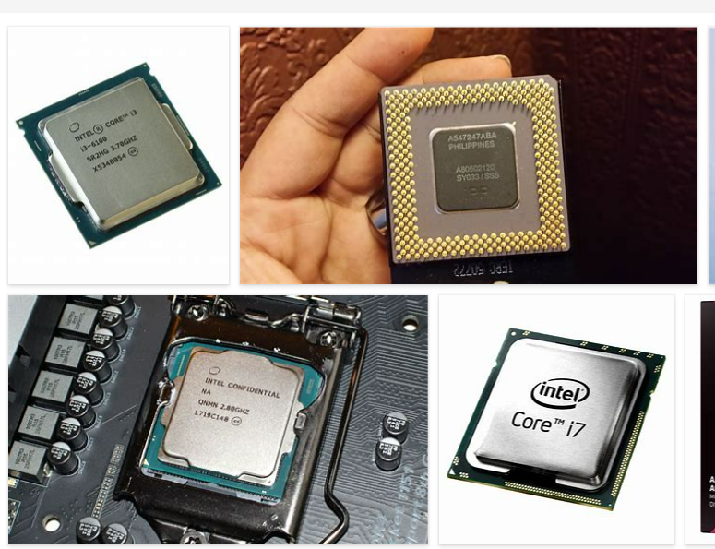
REMOVE | N

PROBLEM_DESC | CAUSE_DESC | REMEDY_DESC
ALARM/SENSOR
BROKEN/DAMAGED
LIGHTING
NOISE
OTHER PROBLEM
POWER-ELEC
STOPPED/SLOWED/POOR OPS
TEMP-CTRL
VIBRATION
Grand Total

